Sheet1
Klipper Enhanced Delta Calibration
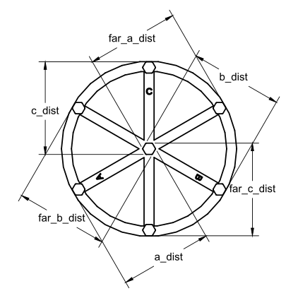
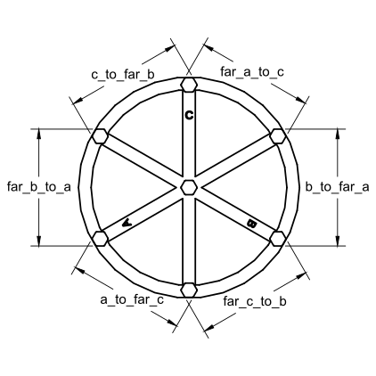
Measure Center Distances
Location | 1 | 2 | 3 | 4 | 5 | AVG | STDDEV
A |  |  |  |  |  | 0.00 | 0
Far C |  |  |  |  |  | 0.00 | 0
B |  |  |  |  |  | 0.00 | 0
Far A |  |  |  |  |  | 0.00 | 0
C |  |  |  |  |  | 0.00 | 0
Far B |  |  |  |  |  | 0.00 | 0

Measure Outer Distances
Location | 1 | 2 | 3 | 4 | 5 | AVG
A to Far C |  |  |  |  |  | 0.00 | 0
Far C to B |  |  |  |  |  | 0.00 | 0
B to Far A |  |  |  |  |  | 0.00 | 0
Far A to C |  |  |  |  |  | 0.00 | 0
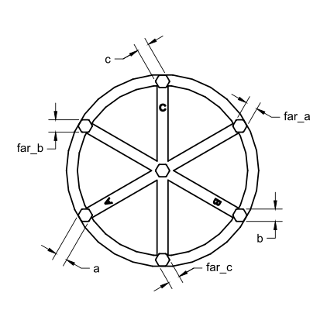
C to Far B |  |  |  |  |  | 0.00 | 0
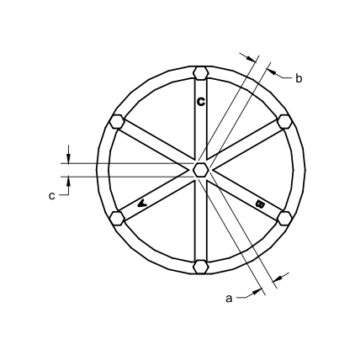
Far B to A |  |  |  |  |  | 0.00 | 0

Measure Center Pillars
Location | 1 | 2 | 3 | 4 | 5 | AVG
A |  |  |  |  |  | 0.00 | 0
B |  |  |  |  |  | 0.00 | 0
C |  |  |  |  |  | 0.00 | 0
Measure Outer Pillars
Location | 1 | 2 | 3 | 4 | 5 | AVG
A |  |  |  |  |  | 0.00 | 0
Far C |  |  |  |  |  | 0.00 | 0
B |  |  |  |  |  | 0.00 | 0
Far A |  |  |  |  |  | 0.00 | 0
C |  |  |  |  |  | 0.00 | 0
Far B |  |  |  |  |  | 0.00 | 0

Scale | 150% |  |  |  |  |  | 0

Commands:
DELTA_ANALYZE CENTER_DISTS=0,0,0,0,0,0 DELTA_ANALYZE OUTER_DISTS=0,0,0,0,0,0 DELTA_ANALYZE CENTER_PILLAR_WIDTHS=0,0,0 DELTA_ANALYZE OUTER_PILLAR_WIDTHS=0,0,0,0,0,0 DELTA_ANALYZE SCALE=1.5 DELTA_ANALYZE CALIBRATE=extended SAVE_CONFIG

